TEDB Edition 40
The energy intensity of light rail systems, measured in Btu per passenger-mile, varies greatly. The average of all light rail systems in 2019 was 1,307 Btu/passenger-mile.

Figure 7.3. Energy Intensity of Light Rail Transit Systemsa, 2019

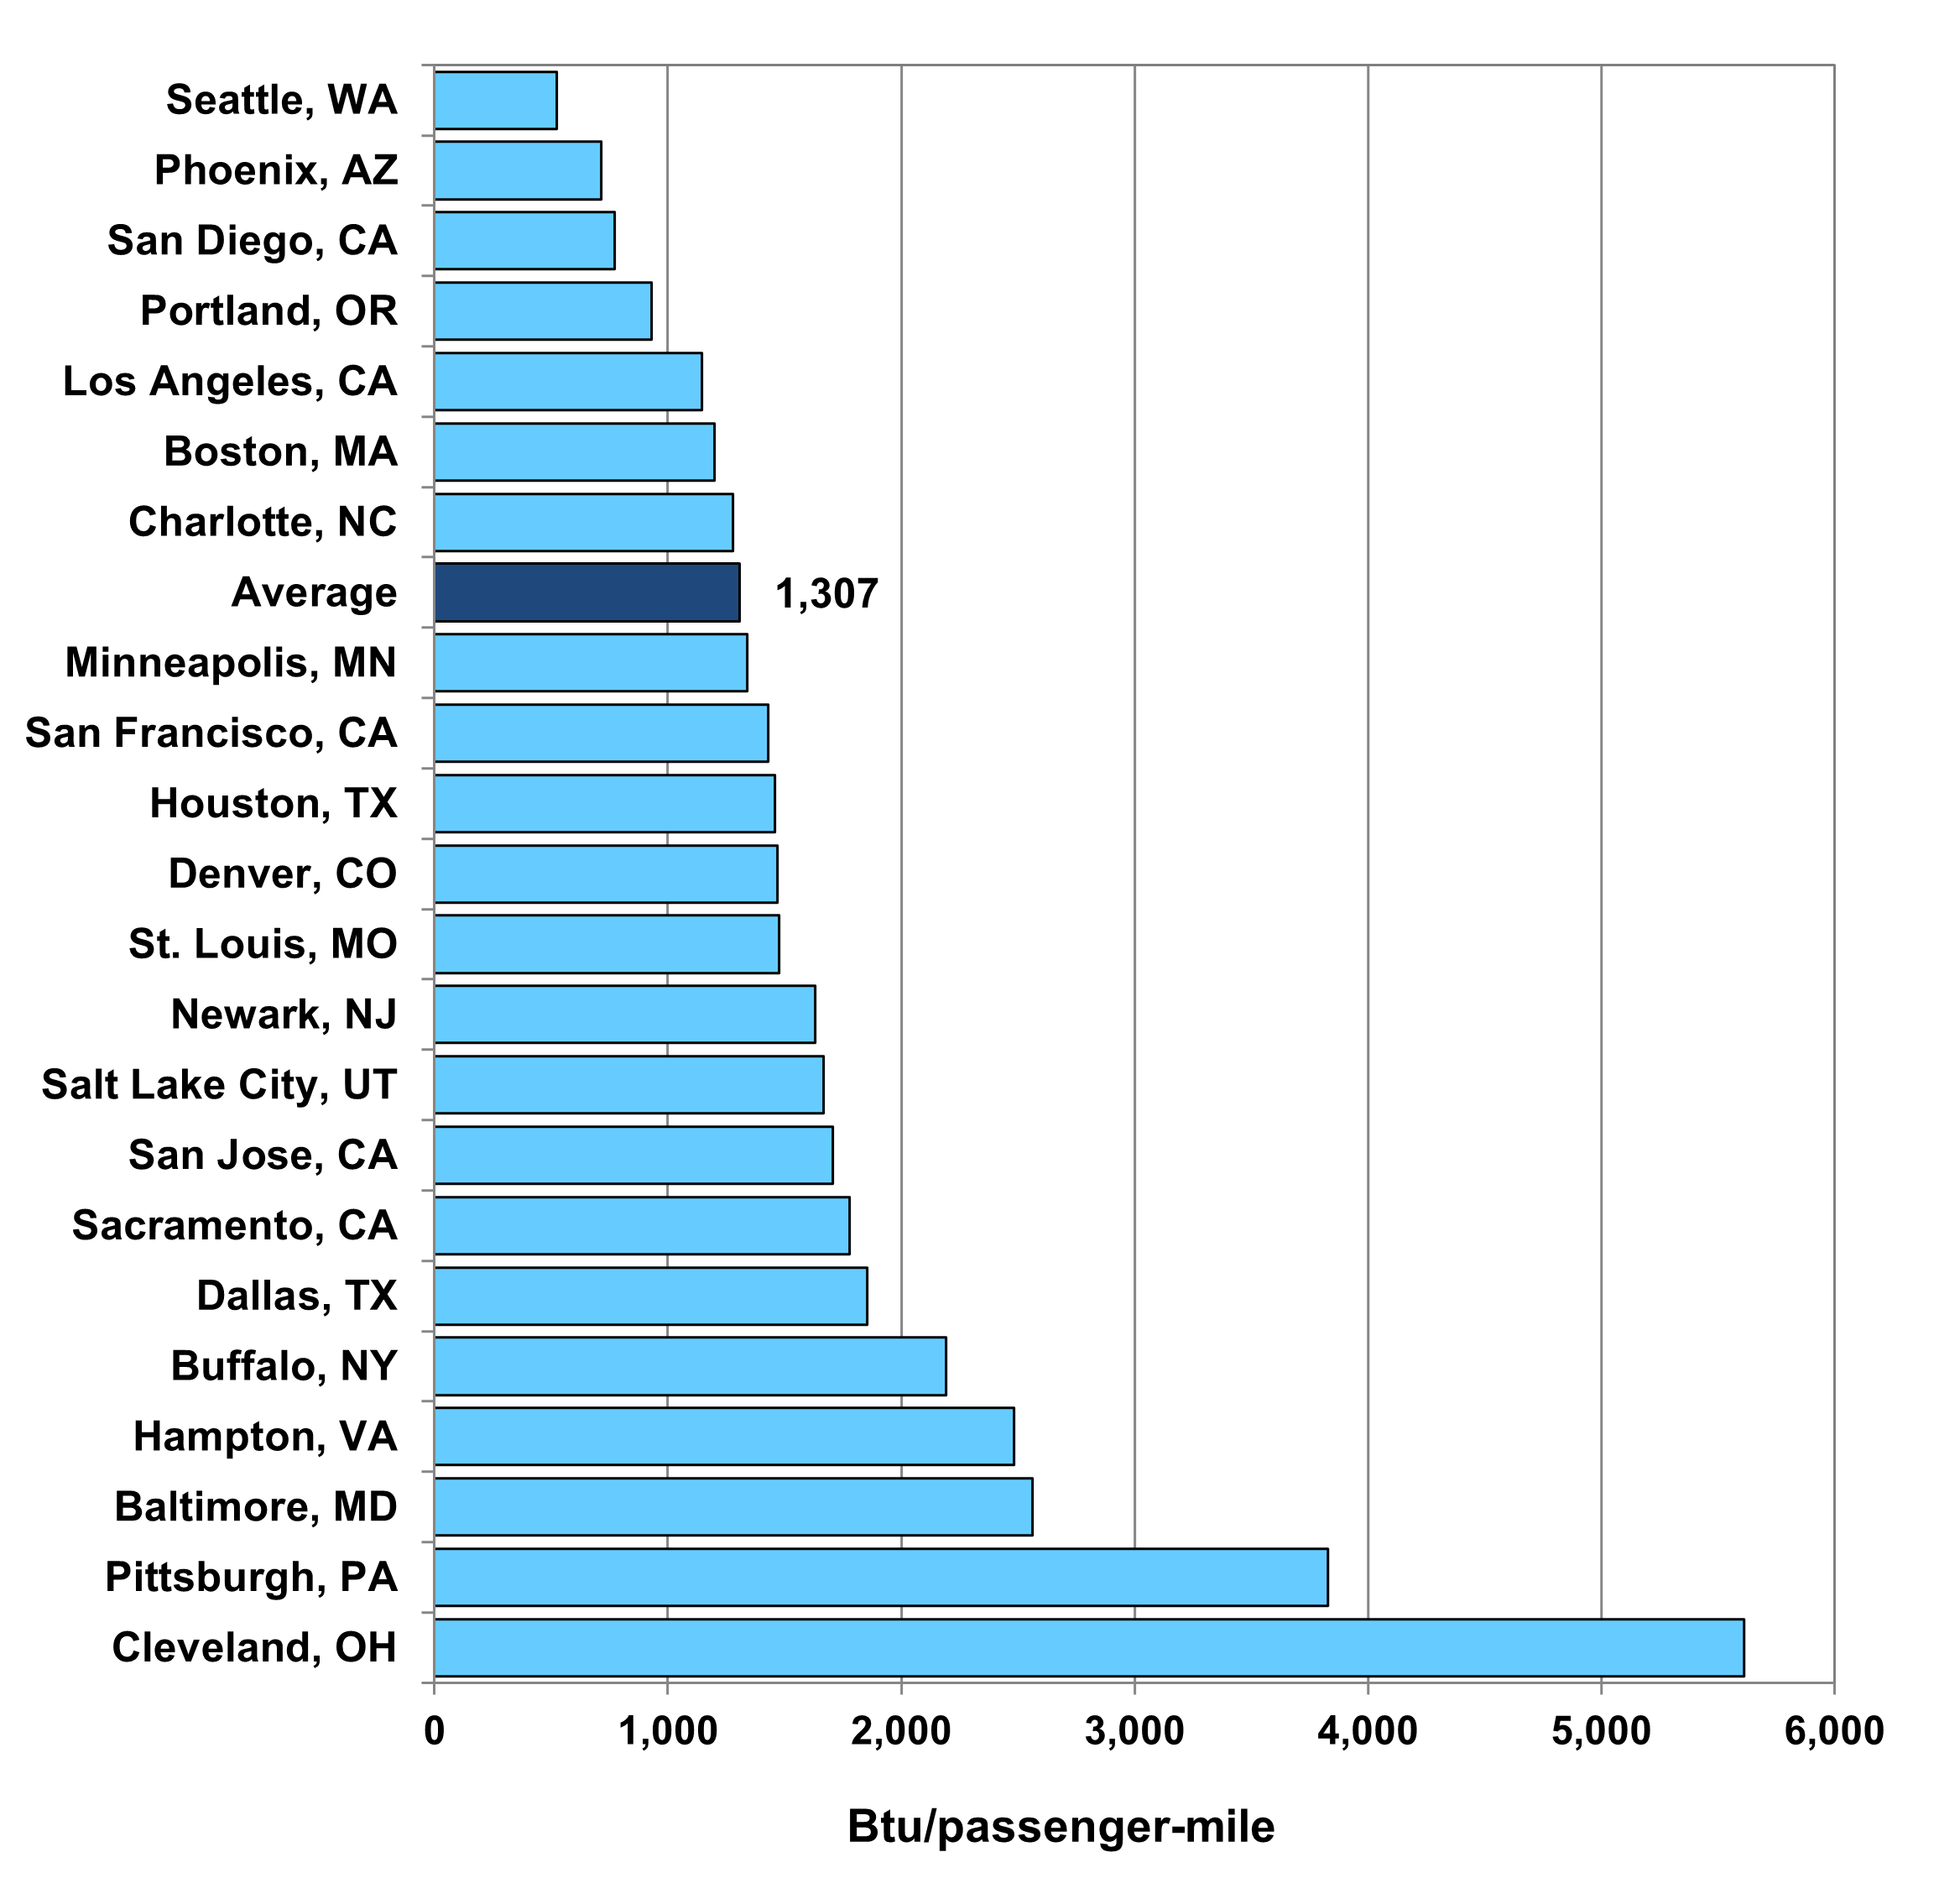

 | Btu per Passenger-mile
Cleveland, OH | 5,611
Pittsburgh, PA | 3,827
Baltimore, MD | 2,564
Hampton, VA | 2,485
Buffalo, NY | 2,191
Dallas, TX | 1,855
Sacramento, CA | 1,780
San Jose, CA | 1,706
Salt Lake City, UT | 1,666
Newark, NJ | 1,630
St. Louis, MO | 1,475
Denver, CO | 1,471
Houston, TX | 1,459
San Francisco, CA | 1,429
Minneapolis, MN | 1,340
Average | 1,307
Charlotte, NC | 1,279
Boston, MA | 1,198
Los Angeles, CA | 1,147
Portland, OR | 929
San Diego, CA | 771
Phoenix, AZ | 714
Seattle, WA | 525

Source:
U.S. Department of Transportation, 2019 National Transit Database, December 2020. (Additional resources: www.transit.dot.gov/ntd)

aAn electric railway with a light volume traffic capacity with power drawn from an overhead electric line. Only end-use energy was counted for electricity. Before Edition 36, primary energy use (which included generation and distribution losses) was shown in this figure.

